Sheet1
 | Tinggi | Berat |  | Query | 190 | 75 |  |  | K=3 (1,5,6) |  | K=5 (1,5,6,2,3)
 |  |  | Class |  | (Tinggi-180)^2 | ( Berat-75)^2 | Distance |  | Pria | wanita | Pria | wanita
Data Ke |  |  |  |  | A | B | Akar Kuadrat ( A+B) |  | 1 | 2 | 3 | 2
1 | 183 | 84 | 0 | pria | 49 | 81 | 11.40
2 | 191 | 80 | 0 | pria | 1 | 25 | 5.10
3 | 170 | 86 | 0 | pria | 400 | 121 | 22.83
4 | 158 | 64 | 0 | pria | 1024 | 121 | 33.84
5 | 180 | 67 | 1 | wanita | 100 | 64 | 12.81
6 | 178 | 67 | 1 | wanita | 144 | 64 | 14.42
7 | 163 | 59 | 1 | wanita | 729 | 256 | 31.38
8 | 158 | 54 | 1 | wanita | 1024 | 441 | 38.28
9 | 155 | 49 | 1 | wanita | 1225 | 676 | 43.60

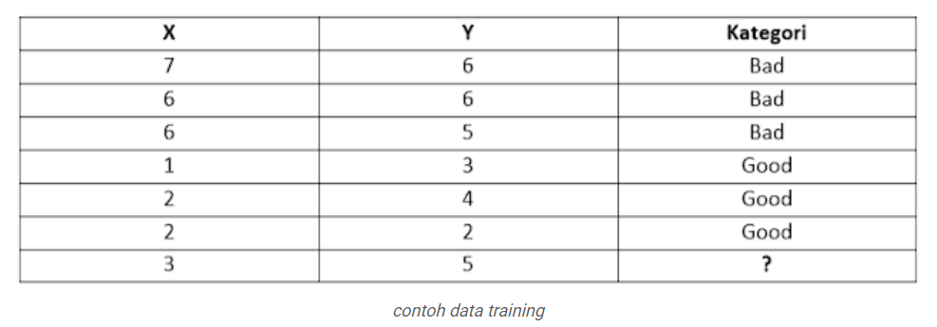
 |  |  |  |  |  |  |  |  |  |  |  | K=3
 |  |  |  |  |  |  |  | (X -3) ^2 | (Y-5)^2 | Distance |  | Bad | Good
 |  |  |  |  |  |  |  | 16 | 1 | 4.12 |  | 1 | 2
 |  |  |  |  |  |  |  | 9 | 1 | 3.16
 |  |  |  |  |  |  |  | 9 | 0 | 3
 |  |  |  |  |  |  |  | 4 | 4 | 2.8
 |  |  |  |  |  |  |  | 1 | 1 | 1.41
 |  |  |  |  |  |  |  | 1 | 9 | 3.16

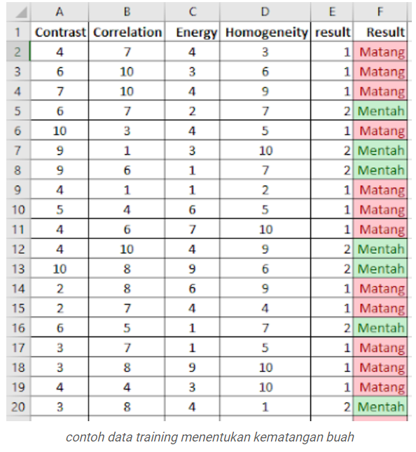
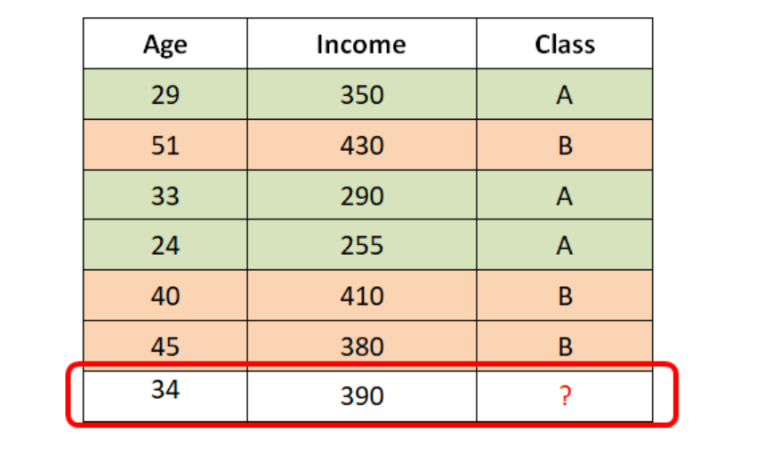
 |  |  |  |  |  |  |  |  |  |  |  |  |  |  |  |  | Contrast = 3 ; Correlastion=6; Energy =10; Homogentiy =5
 |  |  |  |  |  |  |  |  |  |  |  |  |  |  | Contras | Corre | Energy | Homogen | (Con -3) | (corr-7) | Enery-10) | (hom-5) | Distance
 |  |  |  |  |  |  | (Age-34)^2 | (Income-390)^2 | Distance |  |  |  |  | 1 | 4 | 7 | 4 | 3 | 1 | 0 | 36 | 4 | 6,40
 |  |  |  |  |  | 1 | 25 | 1600 | 40.31 |  |  |  |  | 2 | 6 | 10 | 3 | 6 | 9 | 9 | 16 | 1 | 5,91
 |  |  |  |  |  | 2 | 289 | 1600 | 43.46 |  |  |  |  | 3 | 7 | 10 | 4 | 9 | 16 | 9 | 36 | 16 | 8,774
 |  |  |  |  |  | 3 | 1 | 10000 | 100,005 |  |  |  |  | 4 | 6 | 7 | 2 | 7
 |  |  |  |  |  | 4 | 100 | 18225 | 135.46 |  |  |  |  | 5 | 10 | 3 | 4 | 5
 |  |  |  |  |  | 5 | 36 | 400 | 20.88 |  |  |  |  | 6 | 9 | 1 | 3 | 10
 |  |  |  |  |  | 6 | 121 | 1000 | 14.86 |  |  |  |  | 7 | 9 | 6
 |  |  |  |  |  |  |  |  |  |  |  |  |  | 8 | 4 | 10
 |  |  |  |  |  |  | K=3 |  |  |  |  |  |  | 9 | 5 | 8
 |  |  |  |  |  |  | A | B |  |  |  |  |  | 10 | 4
 |  |  |  |  |  |  | 1 | 2 |  |  |  |  |  | 11 | 4
 |  |  |  |  |  |  |  |  |  |  |  |  |  | 12 | 10
 |  |  |  |  |  |  |  |  |  |  |  |  |  | 13 | 2
 |  |  |  |  |  |  |  |  |  |  |  |  |  | 14 | 2
 |  |  |  |  |  |  |  |  |  |  |  |  |  | 15 | 6
 |  |  |  |  |  |  |  |  |  |  |  |  |  | 16 | 3
 |  |  |  |  |  |  |  |  |  |  |  |  |  | 17 | 3
 |  |  |  |  |  |  |  |  |  |  |  |  |  | 18 | 4
 |  |  |  |  |  |  |  |  |  |  |  |  |  | 19 | 3

